SWMS
1. Choose the type of SWMS |  |  |  |  |  | Simplified Storm Water Management System Notes
2 |  |  | STORM WATER MANAGEMENT SYSTEM (SWMS) PIPE LAYOUT & SYSTEM DATA |  |  | A simplified system is rectangular with two manifolds (see sketch below).

2. Type in below the total amount of storage volume required (ft³) |  |  |  | SWMS Type | Retention | Retention implies groundwater infiltration using fully perforated pipe.
 |  |  | Storage Volume Required (ft3) |  | 0.00
 | Corrugated HDPE Pipe |  | Pipe Diameter (in) |  | 12 | Entire SWMS of the same size pipe (manifolds/laterals of same diameter).
0.00 |  |  | No. of Laterals |  | 8
 |  |  |  | Pipe ID (ft) | 1.00
 |  |  |  | Pipe OD (ft) | 1.208
3. Choose pipe diameter (in) |  | Cross-Sectional Area of Pipe (ft2) |  |  | 0.785 | Cross-sectional area (ft2) is the same as the volume per foot of pipe (ft3/ft).
1 |  |  | Stub Spacing (ft) |  | 0.75 | Clear distance between sides of pipe.
 |  | Stone Storage Above Pipe (ft) |  |  | 0.5 | As available for infiltration systems.
 | 6-in bedding | backfill 6-in above pipe |  | Bedding (ft) | 0.5 | Bedding used as part of the storage depth for retention systems.
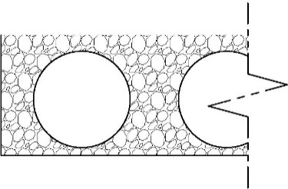
4. Choose the number of laterals |  |  | Storage Depth (ft) |  | 2.21 | Bedding thickness + Pipe OD + storage above pipe.
8 |  |  | Backfill Void Ratio |  | 40% | 40% porosity for washed, open graded, angular aggregate.
 | 2.21 |  | Manifold Length (ft) |  | 14.92
 |  |  | Lateral Length (ft) |  | -3.63 | Length of each lateral between manifolds.
5. Choose bedding depth (ft) |  |  | Total Pipe Length (ft) |  | 0.8 | Theoretical length of pipe needed for the entire SWMS (manifolds and laterals).
0.50 | 0.802 | 0.75 | Excavation Width (ft) |  | 16.52 | Includes the AASHTO minimum distance between pipe and trench wall.
 |  | above dimensions in feet | Excavation Length (ft) |  | 0.39 | Includes the AASHTO minimum distance between pipe and trench wall.
6. Choose amount of stone storage above pipe (ft) |  |  | Stone Required (yd3) |  | 1 | Total amount of stone if backfilling to a height of 1-ft above top of pipe (recommended).
 |  | Pipe Storage Volume Provided (ft3) |  |  | 1
0.50 |  | Stone Storage Volume Provided (ft3) |  |  | 5 | See storage depth note above.
 |  |  | Total Volume Provided (ft3) |  | 6.1

 | 12 | -in Diameter Corrugated HDPE |  |  | 8 | Laterals | Excavation Footprint | 6 | sf
 | (Fully Perforated Retention System) |  |  |  |  |  | System Footprint | -18 | sf

 |  |  |  |  |  | System Length (ft)
 |  |  |  |  |  | -1.21
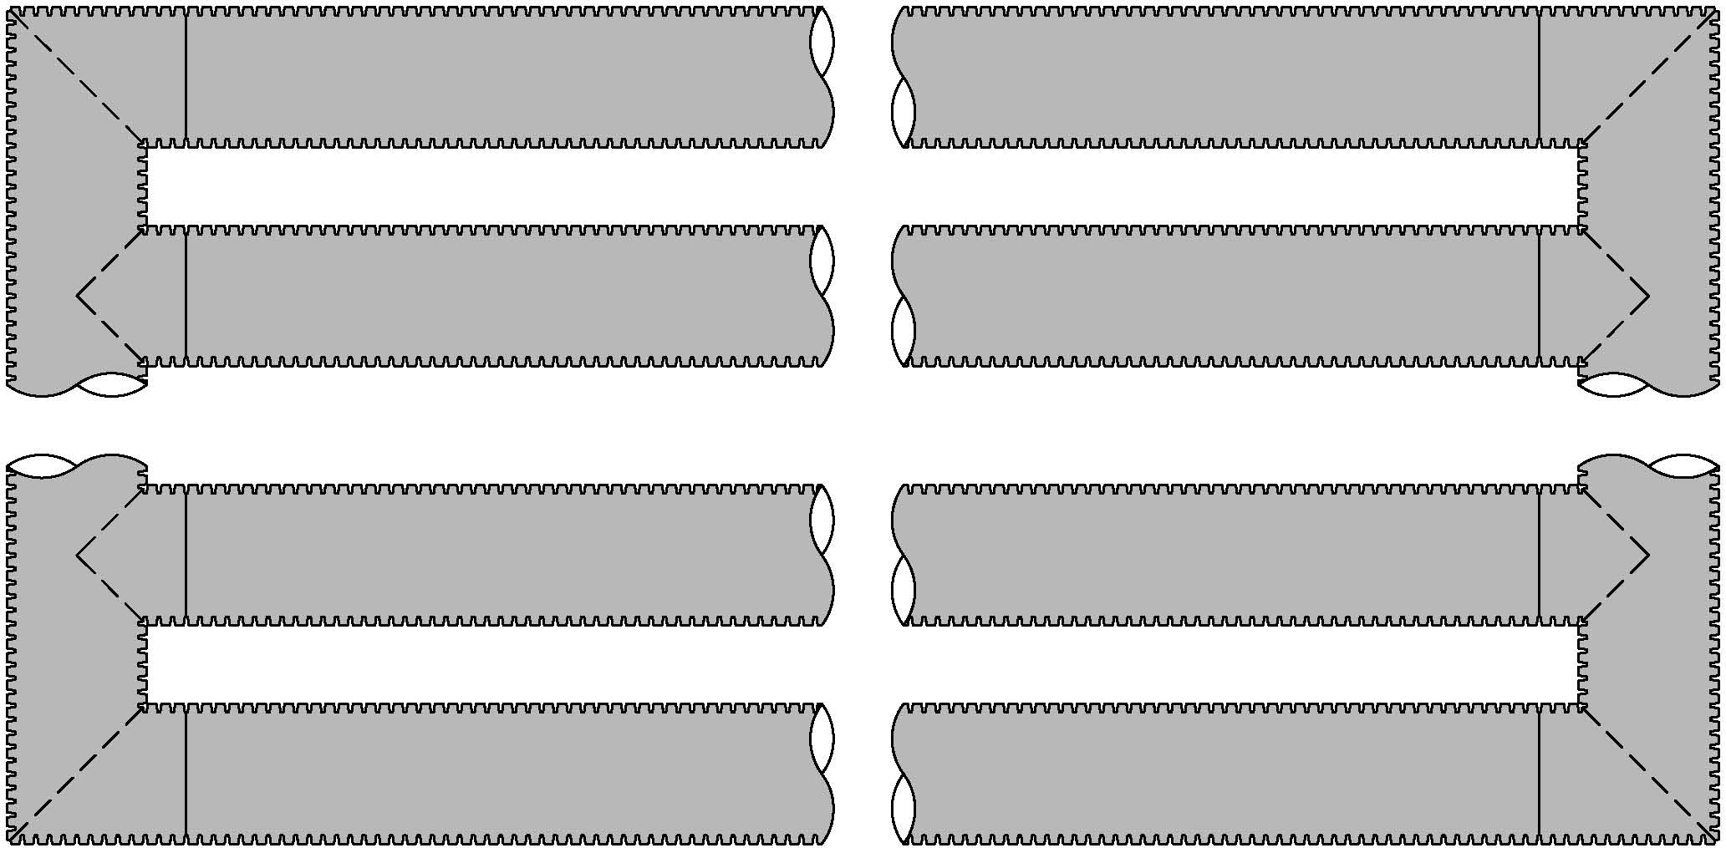

 | 16.52 |  |  |  |  |  |  |  | 14.92
 | Excavation |  |  |  |  |  |  |  | System
 | Width (ft) |  |  |  |  |  |  |  | Width (ft)

 |  |  |  |  |  | 0.39
 |  |  |  |  |  | Excavation Length (ft)

